contract
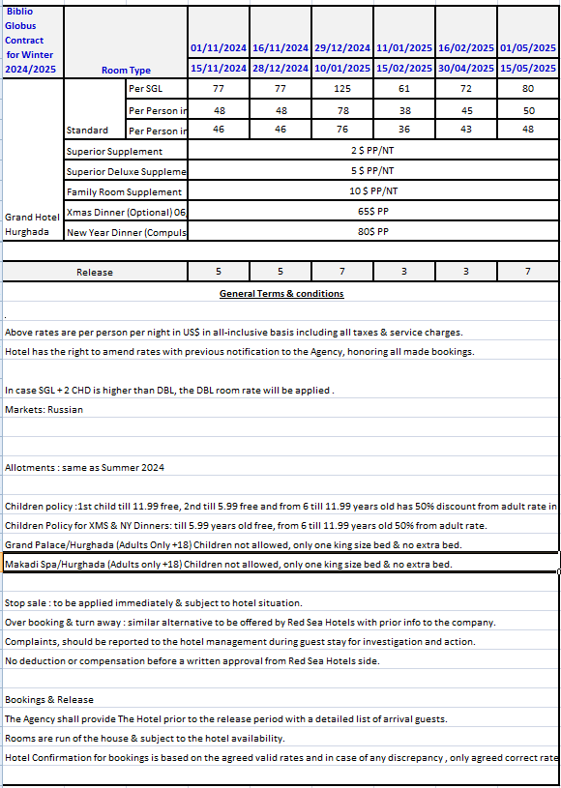
first date | second date | SGL-STD | SGL-SUP | SGL-DLX | d | DBL-STD | DBL-SUP | DBL-DLX | DBL-FAM | t | TPL-SUP | TPL-DLX | TPL-FAM
2023-10-01 | 2023-10-31 | 77 | 79 | 82 | 48 | 96 | 100 | 106 | 116 | 46 | 144 | 153 | 168
2023-11-01 | 2023-11-15 | 86 | 88 | 91 | 54 | 108 | 112 | 118 | 128 | 52 | 162 | 171 | 186
2023-11-16 | 2023-12-28 | 86 | 88 | 91 | 54 | 108 | 112 | 118 | 128 | 52 | 162 | 171 | 186
2023-12-29 | 2024-01-10 | 134 | 136 | 139 | 84 | 168 | 172 | 178 | 188 | 82 | 252 | 261 | 276
2024-01-11 | 2024-02-15 | 70 | 72 | 75 | 44 | 88 | 92 | 98 | 108 | 42 | 132 | 141 | 156
2024-02-16 | 2024-04-30 | 82 | 84 | 87 | 51 | 102 | 106 | 112 | 122 | 49 | 153 | 162 | 177
2024-05-01 | 2024-05-15 | 80 | 82 | 85 | 50 | 100 | 104 | 110 | 120 | 48 | 150 | 159 | 174
2024-05-16 | 2024-05-31 | 62 | 64 | 67 | 39 | 78 | 82 | 88 | 98 | 37 | 117 | 126 | 141
2024-06-01 | 2024-06-30 | 66 | 68 | 71 | 41 | 82 | 86 | 92 | 102 | 39 | 123 | 132 | 147
2024-07-01 | 2024-07-31 | 74 | 76 | 79 | 46 | 92 | 96 | 102 | 112 | 44 | 138 | 147 | 162
2024-08-01 | 2024-08-31 | 82 | 84 | 87 | 51 | 102 | 106 | 112 | 122 | 49 | 153 | 162 | 177
2024-09-01 | 2024-09-30 | 74 | 76 | 79 | 46 | 92 | 96 | 102 | 112 | 44 | 138 | 147 | 162
2024-10-01 | 2024-10-31 | 82 | 84 | 87 | 51 | 102 | 106 | 112 | 122 | 49 | 153 | 162 | 177
2024-11-01 | 2024-11-15 | 77 | 79 | 82 | 48 | 96 | 100 | 106 | 116 | 46 | 144 | 153 | 168
2024-11-16 | 2024-12-28 | 77 | 79 | 82 | 48 | 96 | 100 | 106 | 116 | 46 | 144 | 153 | 168
2024-12-29 | 2025-01-10 | 125 | 127 | 130 | 78 | 156 | 160 | 166 | 176 | 76 | 234 | 243 | 258
2025-01-11 | 2025-02-15 | 61 | 63 | 66 | 38 | 76 | 80 | 86 | 96 | 36 | 114 | 123 | 138
2025-02-16 | 2025-04-30 | 72 | 74 | 77 | 45 | 90 | 94 | 100 | 110 | 43 | 135 | 144 | 159
2025-05-01 | 2025-05-15 | 80 | 82 | 85 | 50 | 100 | 104 | 110 | 120 | 48 | 150 | 159 | 174
2025-05-16 | 2025-05-31 | 62 | 64 | 67 | 39 | 78 | 82 | 88 | 98 | 37 | 117 | 126 | 141
2025-06-01 | 2025-06-30 | 66 | 68 | 71 | 41 | 82 | 86 | 92 | 102 | 39 | 123 | 132 | 147
2025-07-01 | 2025-07-31 | 74 | 76 | 79 | 46 | 92 | 96 | 102 | 112 | 44 | 138 | 147 | 162
2025-08-01 | 2025-08-31 | 82 | 84 | 87 | 51 | 102 | 106 | 112 | 122 | 49 | 153 | 162 | 177
2025-09-01 | 2025-09-30 | 74 | 76 | 79 | 46 | 92 | 96 | 102 | 112 | 44 | 138 | 147 | 162
2025-10-01 | 2025-10-31 | 82 | 84 | 87 | 51 | 102 | 106 | 112 | 122 | 49 | 153 | 162 | 177

spo 20.12 to 31.12
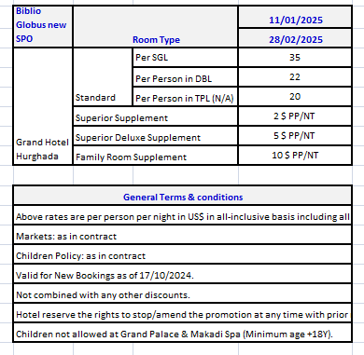
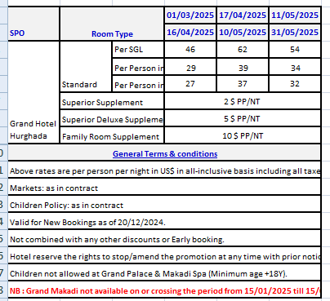
first date | second date | SGL-STD | SGL-SUP | SGL-DLX | d | DBL-STD | DBL-SUP | DBL-DLX | DBL-FAM | t | TPL-SUP | TPL-DLX | TPL-FAM
2025-01-11 | 2025-02-28 | 35 | 37 | 40 | 22 | 44 | 48 | 54 | 64 | 20 | 66 | 75 | 90
2025-03-01 | 2025-04-16 | 46 | 48 | 51 | 29 | 58 | 62 | 68 | 78 | 27 | 87 | 96 | 111
2025-04-17 | 2025-05-10 | 62 | 64 | 67 | 39 | 78 | 82 | 88 | 98 | 37 | 117 | 126 | 141
2025-05-11 | 2025-05-31 | 54 | 56 | 59 | 34 | 68 | 72 | 78 | 88 | 32 | 102 | 111 | 126

spo 01.01 to 28.01
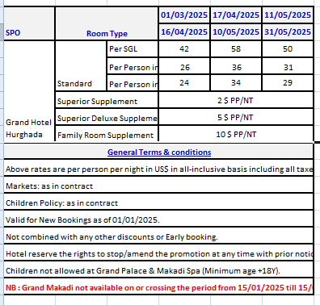
first date | second date | SGL-STD | SGL-SUP | SGL-DLX | d | DBL-STD | DBL-SUP | DBL-DLX | DBL-FAM | t | TPL-SUP | TPL-DLX | TPL-FAM
2025-01-11 | 2025-02-28 | 35 | 37 | 40 | 22 | 44 | 48 | 54 | 64 | 20 | 66 | 75 | 90
2025-03-01 | 2025-04-16 | 42 | 44 | 47 | 26 | 52 | 56 | 62 | 72 | 24 | 78 | 87 | 102
2025-04-17 | 2025-05-10 | 58 | 60 | 63 | 36 | 72 | 76 | 82 | 92 | 34 | 108 | 117 | 132
2025-05-11 | 2025-05-31 | 50 | 52 | 55 | 31 | 62 | 66 | 72 | 82 | 29 | 93 | 102 | 117

spo 29.01 to 15.03
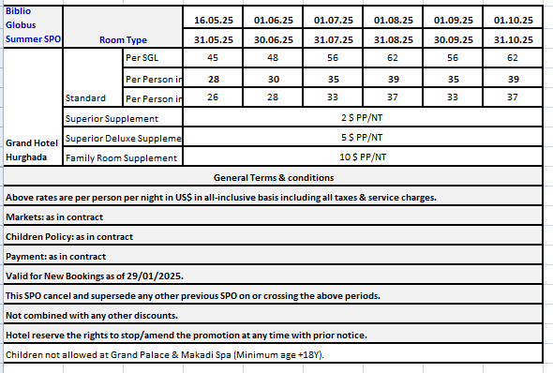
first date | second date | SGL-STD | SGL-SUP | SGL-DLX | d | DBL-STD | DBL-SUP | DBL-DLX | DBL-FAM | t | TPL-SUP | TPL-DLX | TPL-FAM
2025-01-29 | 2025-02-28 | 35 | 37 | 40 | 22 | 44 | 48 | 54 | 64 | 20 | 66 | 75 | 90
2025-03-01 | 2025-04-16 | 42 | 44 | 47 | 26 | 52 | 56 | 62 | 72 | 24 | 78 | 87 | 102
2025-04-17 | 2025-05-10 | 58 | 60 | 63 | 36 | 72 | 76 | 82 | 92 | 34 | 108 | 117 | 132
2025-05-11 | 2025-05-15 | 50 | 52 | 55 | 31 | 62 | 66 | 72 | 82 | 29 | 93 | 102 | 117
2025-05-16 | 2025-05-31 | 45 | 47 | 50 | 28 | 56 | 60 | 66 | 76 | 26 | 84 | 93 | 108
2025-06-01 | 2025-06-30 | 48 | 50 | 53 | 30 | 60 | 64 | 70 | 80 | 28 | 90 | 99 | 114
2025-07-01 | 2025-07-31 | 56 | 58 | 61 | 35 | 70 | 74 | 80 | 90 | 33 | 105 | 114 | 129
2025-08-01 | 2025-08-31 | 62 | 64 | 67 | 39 | 78 | 82 | 88 | 98 | 37 | 117 | 126 | 141
2025-09-01 | 2025-09-30 | 56 | 58 | 61 | 35 | 70 | 74 | 80 | 90 | 33 | 105 | 114 | 129
2025-10-01 | 2025-10-31 | 62 | 64 | 67 | 39 | 78 | 82 | 88 | 98 | 37 | 117 | 126 | 141

spo 16.03 to 31.10
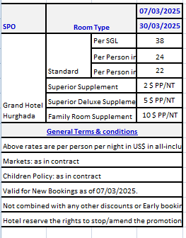
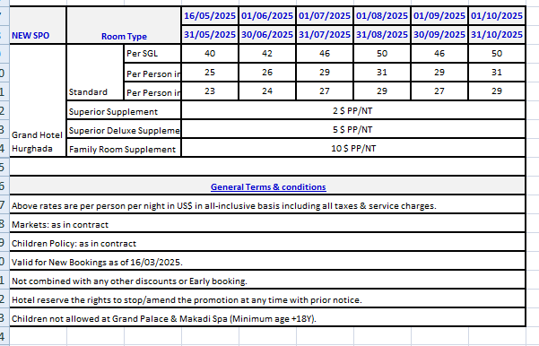
first date | second date | SGL-STD | SGL-SUP | SGL-DLX | d | DBL-STD | DBL-SUP | DBL-DLX | DBL-FAM | t | TPL-SUP | TPL-DLX | TPL-FAM
2025-03-16 | 2025-04-16 | 42 | 44 | 47 | 26 | 52 | 56 | 62 | 72 | 24 | 78 | 87 | 102
2025-04-17 | 2025-05-10 | 58 | 60 | 63 | 36 | 72 | 76 | 82 | 92 | 34 | 108 | 117 | 132
2025-05-11 | 2025-05-15 | 50 | 52 | 55 | 31 | 62 | 66 | 72 | 82 | 29 | 93 | 102 | 117
2025-05-16 | 2025-05-31 | 40 | 42 | 45 | 25 | 50 | 54 | 60 | 70 | 23 | 75 | 84 | 99
2025-06-01 | 2025-06-30 | 42 | 44 | 47 | 26 | 52 | 56 | 62 | 72 | 24 | 78 | 87 | 102
2025-07-01 | 2025-07-31 | 46 | 48 | 51 | 29 | 58 | 62 | 68 | 78 | 27 | 87 | 96 | 111
2025-08-01 | 2025-08-31 | 50 | 52 | 55 | 31 | 62 | 66 | 72 | 82 | 29 | 93 | 102 | 117
2025-09-01 | 2025-09-30 | 46 | 48 | 51 | 29 | 58 | 62 | 68 | 78 | 27 | 87 | 96 | 111
2025-10-01 | 2025-10-31 | 50 | 52 | 55 | 31 | 62 | 66 | 72 | 82 | 29 | 93 | 102 | 117

